1. Plain Spring
1. Create new Project
 | a. File >> New >> Others
 |  | Select Dynamic Web Project. Then click [Next] |  |  | This is how your project tree should at least look like
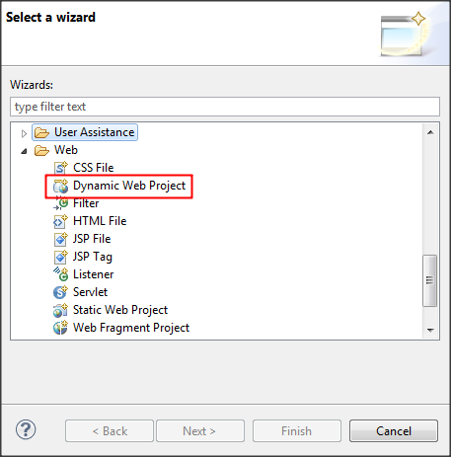
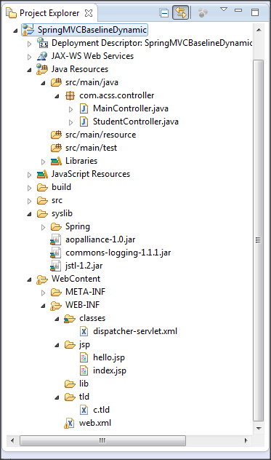

 | b. | Input name of your project
 |  | Dont Click [Finish] yet we're not done. Just stay calm, dont get too excited. We'll get there. (",) Click [Next] first
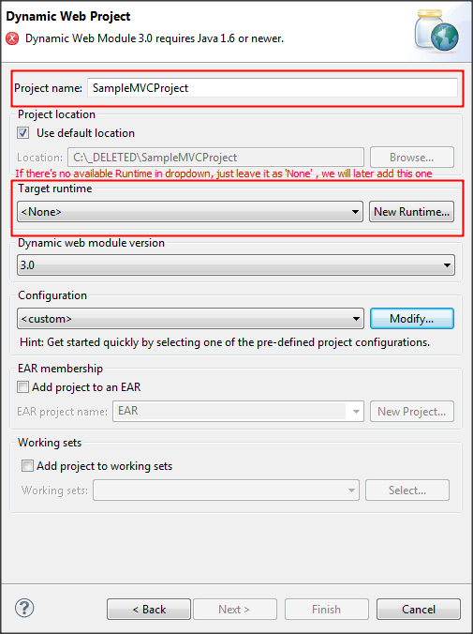

 |  |  | b.a If you encounter this kind of error. Just follow the instruction below
 |  |  |  | This is caused by the lower version of Java indicated during the creation of the project

 |  |  |  | Click [Modify]
 |  |  |  | Then, under Java, change the version to 1.6 or higher
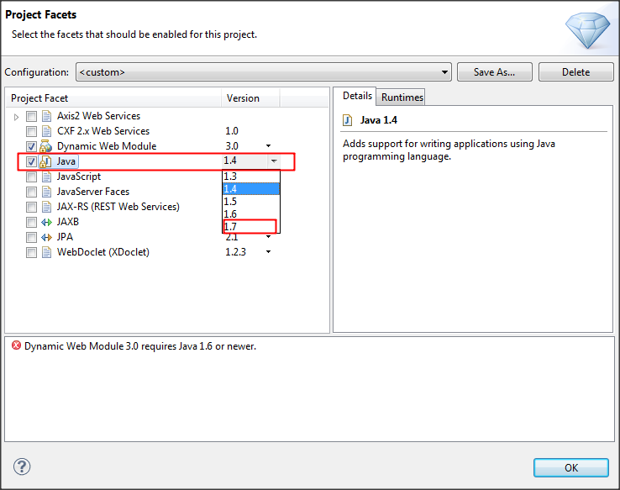

 | c. | This is only optional if you want to have an organized file.
 |  | (Delete the default src folder, then create 3 folders, look sample below)
 |  | Click [Next]
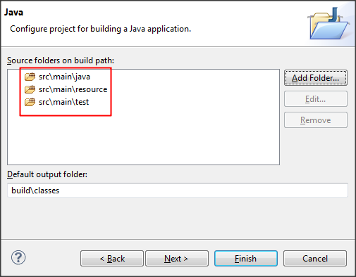

 | d. | Check the [web.xml] checkbox, so u wont be bothered to create this manually ;)
 |  | Then click [Finish]
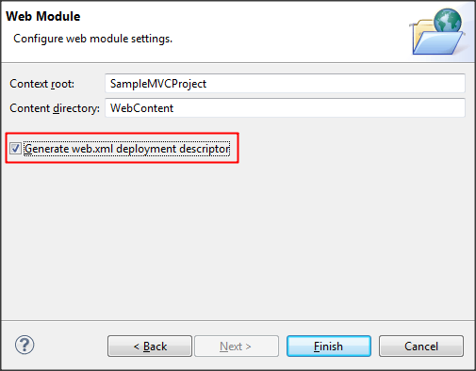

2. a Create New Server (Apache Tomcat), if u dont have one.
 | You can then add this later in your Libraries build path

 | b. Select Tomcat (any version i think hahah, just choose the latest one)
 |  | Click [Next]
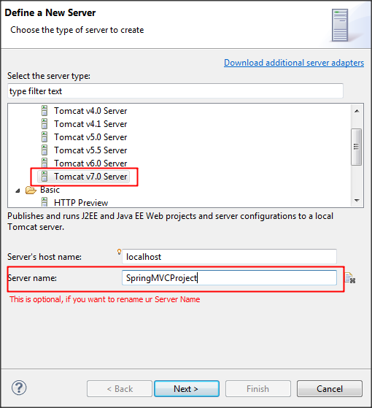

 | c. Browse the location of Apache Tomcat Installation.. Usually, (C:\Program Files\Apache Software Foundation\Tomcat 7.0)
 |  | Then in JRE dropdown, select any installed JRE, or you may leave it as default.
 |  | Click [Next]
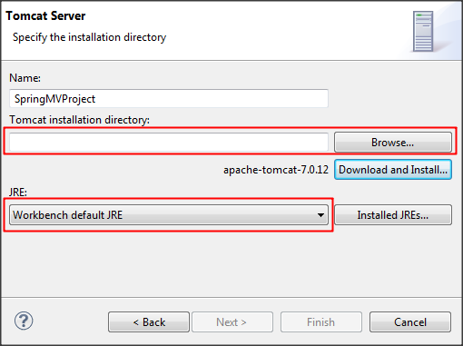

 | d. Select ur project then click [Add] to transfer it to Configured.
 |  | So that whenever u run this server, it will automatically linked/run the project you added in Configured.
 |  | Click [Finish]
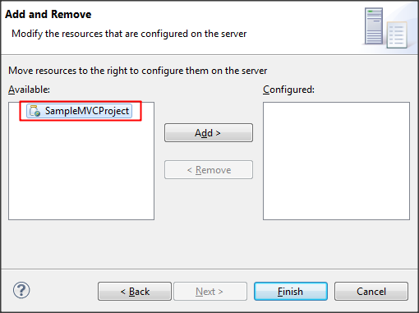

3. a. Adding necessary libraries: Spring jars,common logging, and jstl
 | Basically, these are the only basic jar files we need for our basic project :D

 | b. We need to import first all the jar files in this folder (syslib) before adding it in Libraries
 | Just create one if the folder does not exist in ur project
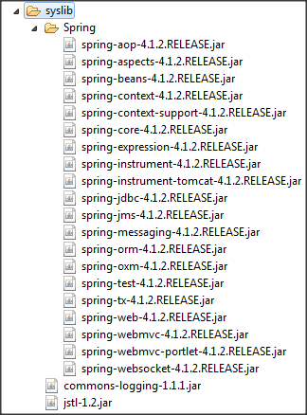

 | c. | Specified in the Spring folder above is the complete list of all the spring jars we need
 |  | You may also add other jar files you need for your project

4. Adding Libraries in Build Path
 | Right Click the Project >> Build Path >> Configure Build Path >> Go to [Libraries] tab

 | a. To add Server Runtime,
 |  | Click [Add Library] >> Select Server Runtime
 |  | Select Apache Tomcat then Click [Finish]

 | b. Then to add all the libraries in your syslib folder (step 3.b),
 |  | In [Libraries] tab again, Click [Add Jars..]
 |  | Select your Project then go to syslib folder then select all the jar files
 |  | Click [OK]

5. Adding the jar files in Web Deployment Assembly
 | Right Click the Project >> Properties >> Deployment Assembly

 | Click [Add] >> Java Build Path Entries >> Click [Next]
 | Select all the jar files then click [Finish]
 | Click [Apply/ OK] to save changes

6. Create dispatcher-servlet.xml (application-context.xml)
 | Please refer to the Project Tree above on where to place the dispatcher-servlet.xml
 | Please see [Codes] tab for full code of this file

7. Modify web.xml
 | Open web.xml file then replace the codes with the codes written in [Codes] tab

8. Create c.tld file
 | Download this file: https://svn.apache.org/repos/asf/tomcat/taglibs/standard/trunk/impl/src/main/resources/META-INF/c.tld
 | Then paste it in the project same with location specified in the above image

9. Create JSP Files (See [Codes] tab for full code of each files)
 | a. create index.jsp
 | b. create hello.jsp

10. Create Java Files (See [Codes] tab for full code of each files)
 | a. create MainController.java
 | b. create StudentController.java

Codes
dispatcher-servlet.xml
<?xml version="1.0" encoding="UTF-8"?>
<beans xmlns="http://www.springframework.org/schema/beans"
xmlns:xsi="http://www.w3.org/2001/XMLSchema-instance"
xmlns:aop="http://www.springframework.org/schema/aop"
xmlns:tx="http://www.springframework.org/schema/tx"
xmlns:jdbc="http://www.springframework.org/schema/jdbc"
xmlns:context="http://www.springframework.org/schema/context"
xsi:schemaLocation="
http://www.springframework.org/schema/context http://www.springframework.org/schema/context/spring-context-3.0.xsd
http://www.springframework.org/schema/beans http://www.springframework.org/schema/beans/spring-beans-3.0.xsd
http://www.springframework.org/schema/jdbc http://www.springframework.org/schema/jdbc/spring-jdbc-3.0.xsd
http://www.springframework.org/schema/tx http://www.springframework.org/schema/tx/spring-tx-3.0.xsd
http://www.springframework.org/schema/aop http://www.springframework.org/schema/aop/spring-aop-3.0.xsd">
<!-- This is used to locate the view page.
It allows us to set properties such as prefix or suffix to the view name to generate the final view page -->
<bean id="viewResolver" class="org.springframework.web.servlet.view.InternalResourceViewResolver">
<property name="viewClass" value="org.springframework.web.servlet.view.JstlView" />
<property name="prefix" value="/WEB-INF/jsp/" />
<property name="suffix" value=".jsp" />
</bean>
<!-- @Controller @Service @Repository @Component
For these beans to be instantiated by Spring, we need to have this configuration -->
<context:component-scan base-package="com.acss"/>
</beans>

web.xml
<?xml version="1.0" encoding="UTF-8"?>
<web-app id="WebApp_ID" version="2.5"
xmlns="http://java.sun.com/xml/ns/javaee
http://java.sun.com/xml/ns/javaee"
xmlns:xsi="http://www.w3.org/2001/XMLSchema-instance"
xsi:schemaLocation="http://java.sun.com/xml/ns/javaee
http://java.sun.com/xml/ns/javaee/web-app_2_5.xsd">
<!-- General description of your web application -->
<display-name>Basic Spring</display-name>
<description>Basic Sample of Spring MVC</description>
<!-- Servlet definitions for the servlets that make up your web application, including initialization parameters. -->
<servlet>
<servlet-name>dispatcher</servlet-name>
<servlet-class>org.springframework.web.servlet.DispatcherServlet</servlet-class>
<load-on-startup>1</load-on-startup>
<init-param>
<param-name>contextConfigLocation</param-name>
<param-value>/WEB-INF/classes/dispatcher-servlet.xml</param-value>
</init-param>
</servlet>
<!-- Define mappings that are used by the servlet container to translate a particular request URI (context-relative) to a particular servlet -->
<servlet-mapping>
<servlet-name>dispatcher</servlet-name>
<url-pattern>*.htm</url-pattern>
</servlet-mapping>
<!-- This is only optional if you want your starting page not the default jsp/ html file located inside WEB-INF folder. -->
<welcome-file-list>
<welcome-file>index.htm</welcome-file>
</welcome-file-list>
</web-app>

index.jsp
<%@page contentType="text/html" pageEncoding="UTF-8"%>
<!DOCTYPE HTML PUBLIC "-//W3C//DTD HTML 4.01 Transitional//EN" "http://www.w3.org/TR/html4/loose.dtd">
<html>
<head>
<meta http-equiv="Content-Type" content="text/html; charset=UTF-8">
<title>Basic Spring MVC</title>
</head>
<body>
<form method="post" action="Registration.htm" name="RegisterForm">
<h4>Registration Form</h4>
<label>Student Name : </label> <input type="text" name="STUD_NAME" /><br>
<label>Student Age : </label> <input type="text" name="STUD_AGE" /><br>
<label>Student Address : </label> <input type="text" name="STUD_ADDRESS" /><br>
<input type="Submit" name="Save" value="Save" />
</form>
</body>
</html>

hello.jsp
<%@ page contentType="text/html" pageEncoding="UTF-8"%>
<%@ taglib prefix="c" uri="/WEB-INF/tld/c.tld" %>
<!DOCTYPE HTML PUBLIC "-//W3C//DTD HTML 4.01 Transitional//EN" "http://www.w3.org/TR/html4/loose.dtd">
<html>
<head>
<meta http-equiv="Content-Type" content="text/html; charset=UTF-8">
<title>Basic Spring MVC</title>
</head>
<body>
<table align="center" style="border: 1px solid black;">
<tr>
<td><strong>Student Name</strong></td>
<td><c:out value="${USERINFO.NAME}"/></td>
</tr>
<tr>
<td><strong>Age</strong></td>
<td><c:out value="${USERINFO.AGE}"/></td>
</tr>
<tr>
<td><strong>Address</strong></td>
<td><c:out value="${USERINFO.ADDRESS}"/></td>
</tr>
</table>
</body>
</html>

MainController.java
package com.acss.controller;
import javax.servlet.http.HttpServletRequest;
import javax.servlet.http.HttpServletResponse;
import org.springframework.stereotype.Controller;
import org.springframework.web.bind.annotation.RequestMapping;
import org.springframework.web.bind.annotation.RequestMethod;
import org.springframework.web.portlet.ModelAndView;
@Controller
public class MainController {
@RequestMapping(value = {"/index.htm"}, method = {RequestMethod.GET})
public ModelAndView doGet(HttpServletRequest request, HttpServletResponse response) {
return new ModelAndView("index");
}
}

StudentController.java
package com.acss.controller;
import java.util.HashMap;
import java.util.Map;
import javax.servlet.http.HttpServletRequest;
import javax.servlet.http.HttpServletResponse;
import org.springframework.stereotype.Controller;
import org.springframework.web.bind.annotation.RequestMapping;
import org.springframework.web.bind.annotation.RequestMethod;
import org.springframework.web.servlet.ModelAndView;
@Controller
public class StudentController {
@RequestMapping(value = {"/Registration.htm"}, method = {RequestMethod.POST})
public ModelAndView doPost(HttpServletRequest request, HttpServletResponse response) {
Map<String, Object> userinfo = new HashMap<String, Object>();
userinfo.put("NAME", request.getParameter("STUD_NAME"));
userinfo.put("AGE", request.getParameter("STUD_AGE"));
userinfo.put("ADDRESS", request.getParameter("STUD_ADDRESS"));
ModelAndView mv = new ModelAndView();
// name of jsp/html
mv.setViewName("hello");
mv.addObject("USERINFO", userinfo);
return mv;
}
}

